T01.01(income)
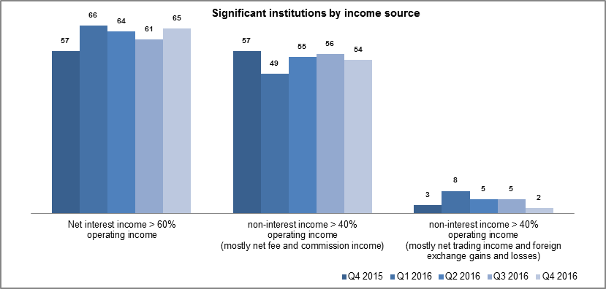
T01.01 Significant institutions by classification (income source)
(number of institutions)

Category | Q4 2015 | Q1 2016 | Q2 2016 | Q3 2016 | Q4 2016
Banks with net interest income more than 60% of operating income | 57 | 66 | 64 | 61 | 65
Banks with non-interest income more than 40% of operating income
Mostly net fee and commission income | 57 | 49 | 55 | 56 | 54
Mostly net trading income and foreign exchange gains and losses | 3 | 8 | 5 | 5 | 2
Total | 117 | 123 | 124 | 122 | 121

Source: ECB. Note: Significant institutions at the highest level of consolidation for which common reporting on capital adequacy (COREP) and financial reporting (FINREP) are available. The list of banks used for the various reference periods may differ as the list of significant institutions changes and as banks start to report under FINREP obligations. Specifically, there are 117 banks in the fourth quarter of 2015, 123 in the first quarter of 2016, 124 in the second quarter of 2016 (changes in the list of significant institutions and FINREP reporting obligations), 122 in the third quarter of 2016 and 121 in the fourth quarter of 2016. The number of entities per reference period reflects changes resulting from amendments to the list of SIs following assessments by ECB Banking Supervision, which generally occur on an annual basis.

T01.01(geo1)
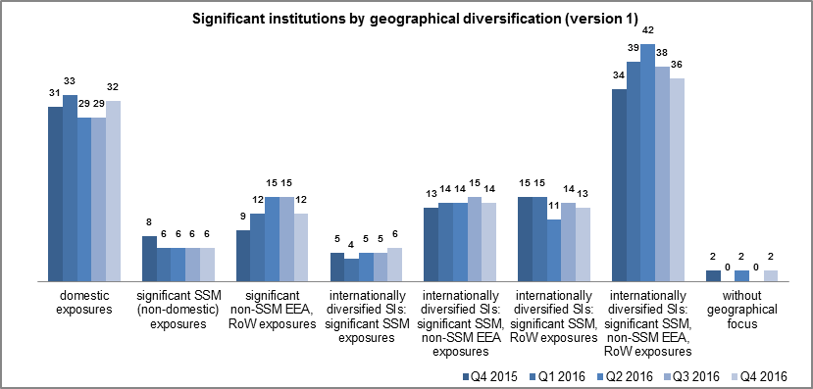
T01.01 Significant institutions by classification (geographical diversification, version 1)
(number of institutions)

Category | Q4 2015 | Q1 2016 | Q2 2016 | Q3 2016 | Q4 2016
Banks with significant domestic exposures 1) | 31 | 33 | 29 | 29 | 32
Banks with significant international exposures 2)
One geographical area
SSM | 8 | 6 | 6 | 6 | 6
Non-SSM EEA 3) and RoW 4) | 9 | 12 | 15 | 15 | 12
Internationally diversified 5)
SSM 6) | 5 | 4 | 5 | 5 | 6
SSM and non-SSM EEA | 13 | 14 | 14 | 15 | 14
SSM and RoW | 15 | 15 | 11 | 14 | 13
SSM, non-SSM EEA and RoW | 34 | 39 | 42 | 38 | 36
Banks without geographically focused exposures 7) | 2 | - | 2 | - | 2
Total | 117 | 123 | 124 | 122 | 121

Source: ECB. Note: Significant institutions at the highest level of consolidation for which common reporting on capital adequacy (COREP) and financial reporting (FINREP) are available. The list of banks used for the various reference periods may differ as the list of significant institutions changes and as banks start to report under FINREP obligations. Specifically, there are 117 banks in the fourth quarter of 2015, 123 in the first quarter of 2016, 124 in the second quarter of 2016 (changes in the list of significant institutions and FINREP reporting obligations), 122 in the third quarter of 2016 and 121 in the fourth quarter of 2016. The number of entities per reference period reflects changes resulting from amendments to the list of SIs following assessments by ECB Banking Supervision, which generally occur on an annual basis. 1) Domestic exposures more than 95% of total debt securities and loans and advances. 2) International exposures more than 5% of total debt securities and loans and advances. 3) Countries in the European Economic Area (EEA) not participating in the Single Supervisory Mechanism (SSM). 4) RoW: rest of the world, i.e. countries outside the EEA. 5) International exposures to both SSM and non-SSM (non-SSM EEA and RoW) countries more than 5% of total debt securities and loans and advances. 6) International exposures to SSM countries larger than those to non-SSM EEA countries and the rest of the world. 7) Domestic exposures less than 95% and exposures to SSM and non-SSM countries each less than 5% of total debt securities and loans and advances.

T01.01(geo2)
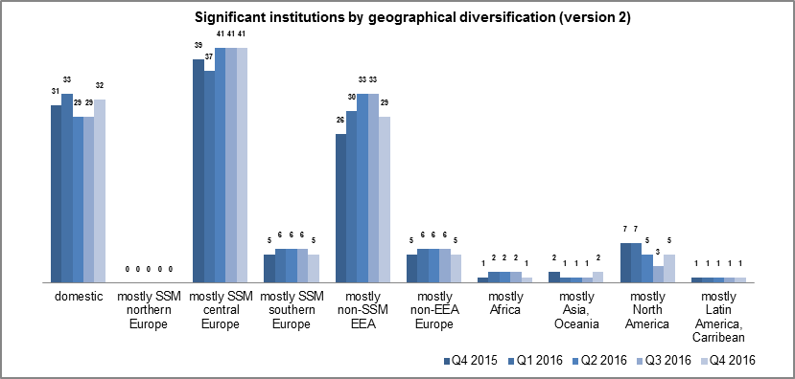
T01.01 Significant institutions by classification (geographical diversification, version 2)
(number of institutions)

Category | Q4 2015 | Q1 2016 | Q2 2016 | Q3 2016 | Q4 2016
Banks with significant domestic exposures 1) | 31 | 33 | 29 | 29 | 32
Banks with largest non-domestic exposures
SSM (northern Europe) 2) | - | - | - | - | -
SSM (central Europe) 2) | 39 | 37 | 41 | 41 | 41
SSM (southern Europe) 2) | 5 | 6 | 6 | 6 | 5
Non-SSM EEA 3) | 26 | 30 | 33 | 33 | 29
Non-EEA Europe 4) | 5 | 6 | 6 | 6 | 5
Africa | 1 | 2 | 2 | 2 | 1
Asia and Oceania | 2 | 1 | 1 | 1 | 2
North America | 7 | 7 | 5 | 3 | 5
Latin America and the Caribbean | 1 | 1 | 1 | 1 | 1
Total | 117 | 123 | 124 | 122 | 121

Source: ECB. Note: Significant institutions at the highest level of consolidation for which common reporting on capital adequacy (COREP) and financial reporting (FINREP) are available. The list of banks used for the various reference periods may differ as the list of significant institutions changes and as banks start to report under FINREP obligations. Specifically, there are 117 banks in the fourth quarter of 2015, 123 in the first quarter of 2016, 124 in the second quarter of 2016 (changes in the list of significant institutions and FINREP reporting obligations), 122 in the third quarter of 2016 and 121 in the fourth quarter of 2016. The number of entities per reference period reflects changes resulting from amendments to the list of SIs following assessments by ECB Banking Supervision, which generally occur on an annual basis. 1) Domestic exposures more than 95% of total debt securities and loans and advances. 2) United Nations (Department of Economic and Social Affairs) classification. "Central Europe" comprises countries falling under "Western Europe" and "Eastern Europe" in the UN classification. 3) Countries in the European Economic Area (EEA) not participating in the Single Supervisory Mechanism (SSM). 4) European countries not in the EEA.

T01.01(size)
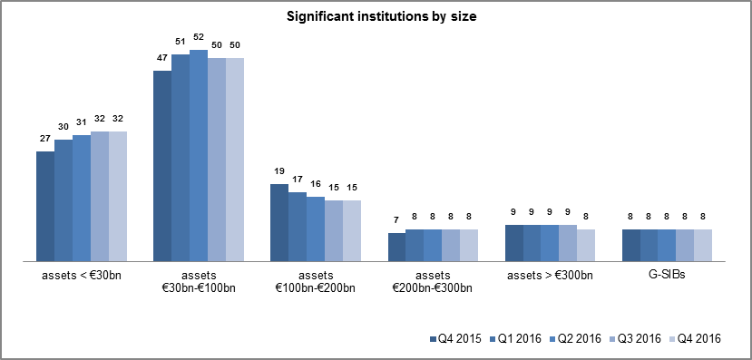
T01.01 Significant institutions by classification (size)
(number of institutions)

Category | Q4 2015 | Q1 2016 | Q2 2016 | Q3 2016 | Q4 2016
Banks with total assets
Less than €30 billion | 27 | 30 | 31 | 32 | 32
Between €30 billion and €100 billion | 47 | 51 | 52 | 50 | 50
Between €100 billion and €200 billion | 19 | 17 | 16 | 15 | 15
Between €200 billion and €300 billion | 7 | 8 | 8 | 8 | 8
More than €300 billion | 9 | 9 | 9 | 9 | 8
G-SIBs 1) | 8 | 8 | 8 | 8 | 8
Total | 117 | 123 | 124 | 122 | 121

Source: ECB. Note: Significant institutions at the highest level of consolidation for which common reporting on capital adequacy (COREP) and financial reporting (FINREP) are available. The list of banks used for the various reference periods may differ as the list of significant institutions changes and as banks start to report under FINREP obligations. Specifically, there are 117 banks in the fourth quarter of 2015, 123 in the first quarter of 2016, 124 in the second quarter of 2016 (changes in the list of significant institutions and FINREP reporting obligations), 122 in the third quarter of 2016 and 121 in the fourth quarter of 2016. The number of entities per reference period reflects changes resulting from amendments to the list of SIs following assessments by ECB Banking Supervision, which generally occur on an annual basis. 1) G-SIBs: global systemically important banks. Data based on the last available list of G-SIBs as published by the Financial Stability Board.

T01.01(risk)
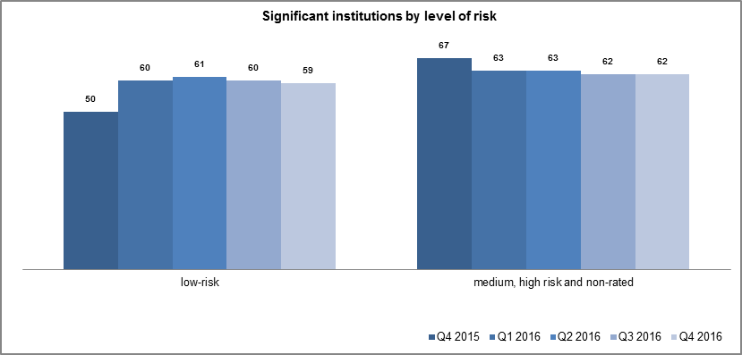
T01.01 Significant institutions by classification (risk-based) 1)
(number of institutions)

Category | Q4 2015 | Q1 2016 | Q2 2016 | Q3 2016 | Q4 2016
Banks with low risk | 50 | 60 | 61 | 60 | 59
Banks with medium, high risk and non-rated | 67 | 63 | 63 | 62 | 62
Total | 117 | 123 | 124 | 122 | 121

Source: ECB. Note: Significant institutions at the highest level of consolidation for which common reporting on capital adequacy (COREP) and financial reporting (FINREP) are available. The list of banks used for the various reference periods may differ as the list of significant institutions changes and as banks start to report under FINREP obligations. Specifically, there are 117 banks in the fourth quarter of 2015, 123 in the first quarter of 2016, 124 in the second quarter of 2016 (changes in the list of significant institutions and FINREP reporting obligations), 122 in the third quarter of 2016 and 121 in the fourth quarter of 2016. The number of entities per reference period reflects changes resulting from amendments to the list of SIs following assessments by ECB Banking Supervision, which generally occur on an annual basis. 1) Risk-based classification using Supervisory Review and Evaluation Process (SREP) results. Non-rated banks are those which have not been assigned a score in a specific SREP cycle, owing for example a recent change in significance, a merger or restructuring, etc. Classification as non-rated does not therefore necessarily indicate a high risk.

T01.01(SovExp)
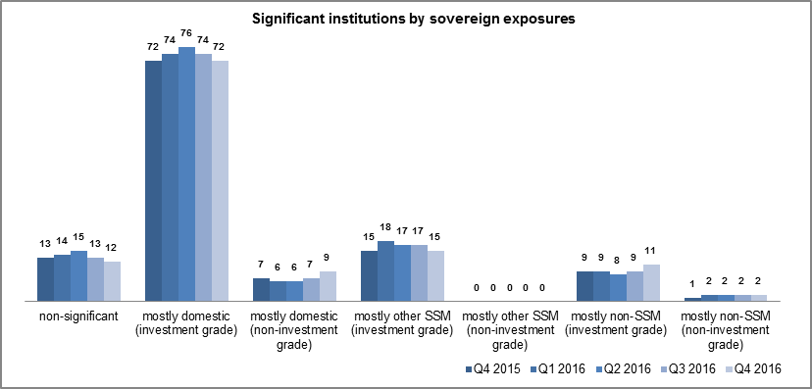
T01.01 Significant institutions by classification (sovereign exposures)
(number of institutions)

Category | Q4 2015 | Q1 2016 | Q2 2016 | Q3 2016 | Q4 2016
Banks with sovereign exposures
Non-significant | 13 | 14 | 15 | 13 | 12
Mostly domestic
Investment grade | 72 | 74 | 76 | 74 | 72
Non-investment grade | 7 | 6 | 6 | 7 | 9
Mostly to other SSM countries
Investment grade | 15 | 18 | 17 | 17 | 15
Non-investment grade | - | - | - | - | -
Mostly to non-SSM countries
Investment grade | 9 | 9 | 8 | 9 | 11
Non-investment grade | 1 | 2 | 2 | 2 | 2
Total | 117 | 123 | 124 | 122 | 121

Source: ECB. Note: Significant institutions at the highest level of consolidation for which common reporting on capital adequacy (COREP) and financial reporting (FINREP) are available. The list of banks used for the various reference periods may differ as the list of significant institutions changes and as banks start to report under FINREP obligations. Specifically, there are 117 banks in the fourth quarter of 2015, 123 in the first quarter of 2016, 124 in the second quarter of 2016 (changes in the list of significant institutions and FINREP reporting obligations), 122 in the third quarter of 2016 and 121 in the fourth quarter of 2016. The number of entities per reference period reflects changes resulting from amendments to the list of SIs following assessments by ECB Banking Supervision, which generally occur on an annual basis.

T01.04
T01.04 Concentration of total assets
(cumulative percentages of total assets)

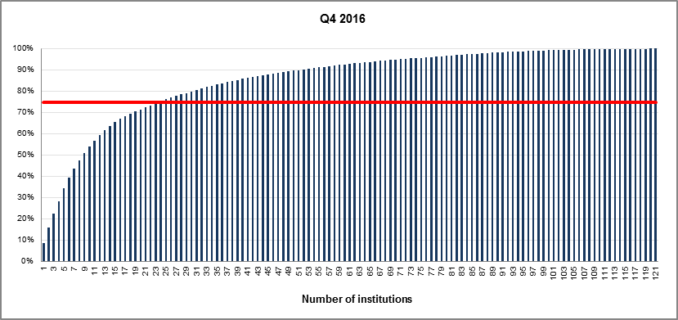

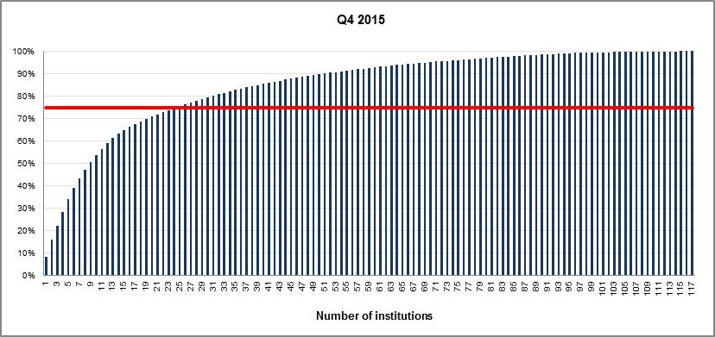

Source: ECB. Notes: Significant institutions at the highest level of consolidation for which common reporting (COREP) and financial reporting (FINREP) are available. The charts show the cumulative percentage of the total assets in the sample which is covered when the total assets of each institution, ordered from the largest to the smallest, are added. For instance, it is shown that the largest institution in the sample accounts for almost 10% and the 20 largest institutions represent approximately 75% of the total assets in the sample.The solid line in red corresponds to the 75th percentile.

T03.01.1
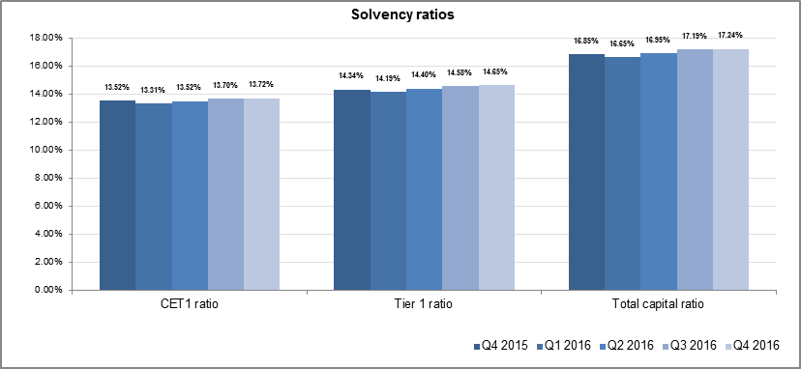
T03.01.1 Total solvency ratio and its components by reference period
(EUR billions; percentages)

Indicator | Q4 2015 | Q1 2016 | Q2 2016 | Q3 2016 | Q4 2016
Total risk exposure amount | 8,174.62 | 8,232.78 | 8,243.35 | 8,154.45 | 8,088.26
CET1 ratio 1) | 13.52% | 13.31% | 13.52% | 13.70% | 13.72%
Tier 1 ratio | 14.34% | 14.19% | 14.40% | 14.58% | 14.65%
Total capital ratio | 16.85% | 16.65% | 16.95% | 17.19% | 17.24%

Source: ECB. Notes: Significant institutions at the highest level of consolidation for which common reporting on capital adequacy (COREP) and financial reporting (FINREP) are available. The list of banks used for the various reference periods may differ as the list of significant institutions changes and as banks start to report under FINREP obligations. Specifically, there are 117 banks in the fourth quarter of 2015, 123 in the first quarter of 2016, 124 in the second quarter of 2016 (changes in the list of significant institutions and FINREP reporting obligations), 122 in the third quarter of 2016 and 121 in the fourth quarter of 2016. The number of entities per reference period reflects changes resulting from amendments to the list of SIs following assessments by ECB Banking Supervision, which generally occur on an annual basis. 1) CET1 stands for Common Equity Tier 1.

T04.01.1
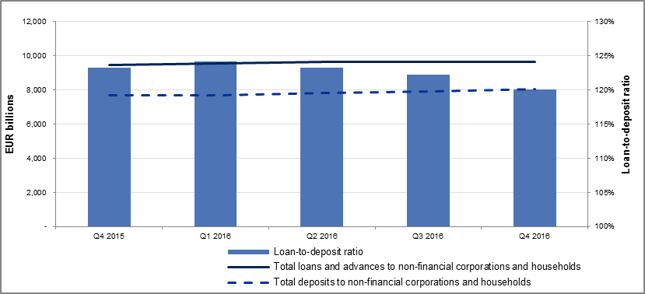
T04.01.1 Loan-to-deposit ratio by reference period
(EUR billions; percentages)

Indicator | Q4 2015 | Q1 2016 | Q2 2016 | Q3 2016 | Q4 2016
Total loans and advances to non-financial corporations and households | 9,474.66 | 9,531.22 | 9,642.01 | 9,655.37 | 9,641.18
Total deposits to non-financial corporations and households | 7,689.90 | 7,674.25 | 7,823.06 | 7,898.62 | 8,033.97
Loan-to-deposit ratio | 123.21% | 124.20% | 123.25% | 122.24% | 120.01%

Source: ECB. Notes: Significant institutions at the highest level of consolidation for which common reporting on capital adequacy (COREP) and financial reporting (FINREP) are available. The list of banks used for the various reference periods may differ as the list of significant institutions changes and as banks start to report under FINREP obligations. Specifically, there are 117 banks in the fourth quarter of 2015, 123 in the first quarter of 2016, 124 in the second quarter of 2016 (changes in the list of significant institutions and FINREP reporting obligations), 122 in the third quarter of 2016 and 121 in the fourth quarter of 2016. The number of entities per reference period reflects changes resulting from amendments to the list of SIs following assessments by ECB Banking Supervision, which generally occur on an annual basis.

T05.02
T05.02 Data quality: punctuality
(number of submissions; percentages)

Report status | AE |  | COREP |  | LCR |  | LE |  | NSFR |  | ALMM |  | FINREP
 | Q4 2016 | Q3 2016 | Q4 2016 | Q3 2016 | Q4 2016 | Q3 2016 | Q4 2016 | Q3 2016 | Q4 2016 | Q3 2016 | Q4 2016 | Q3 2016 | Q4 2016 | Q3 2016
Received fully valid | 118 | 111 | 97 | 107 | 110 | 113 | 119 | 116 | 111 | 117 | 117 | 118 | 86 | 102
Received with errors | 1 | 10 | 16 | 12 | 9 | 7 | 0 | 0 | 8 | 1 | 2 | 1 | 34 | 16
Missing | 1 | 1 | 1 | 2 | 0 | 1 | 1 | 2 | 0 | 2 | 0 | 2 | 0 | 2
Rejected | 0 | 0 | 6 | 1 | 0 | 0 | 0 | 4 | 0 | 1 | 0 | 0 | 0 | 2
Total expected | 120 | 122 | 120 | 122 | 119 | 121 | 120 | 122 | 119 | 121 | 119 | 121 | 120 | 122

Source: ECB. Notes: The chart shows the evolution between the third and fourth quarter of 2016 in terms of punctuality, showing the percentages of the total expected submissions for received, rejected and missing reports at the date for submission of reports to the ECB (i.e. 28 February 2017 for the fourth quarter; 25 November 2016 for the third quarter). The status "received fully valid" denotes reports received by the ECB with no European Banking Authority (EBA) validation rule failing. The status "received with errors" denotes reports received by the ECB containing failing European Banking Authority validation rules. The status "missing" denotes reports expected but not received by the ECB. The status "rejected" denotes reports not accepted by the ECB owing to technical errors in the submission. The following abbreviations have been used: AE: asset encumbrance; COREP: common reporting; LCR: liquidity coverage ratio; LE: large exposures; NSFR: net stable funding ratio; ALMM: additional liquidity monitoring metrics; FINREP: financial reporting.

T05.03
T05.03 Data quality: accuracy and consistency
(number of validation rules; percentages)

Finding | Q4 2015 | Q1 2016 | Q2 2016 | Q3 2016 | Q4 2016
Failing validation rules | 110 | 107 | 120 | 84 | 122
Applicable validation rules | 2,262 | 1,892 | 2,134 | 2,108 | 2,640
Failing as a percentage of applicable validation rules | 4.86% | 5.66% | 5.62% | 3.98% | 4.62%

Source: ECB. Notes: The chart shows the number and percentages of failed validation rules (VRs) compared with the total applicable validation rules according to the taxonomy published by the European Banking Authority (EBA) for each reporting period. This measures the accuracy of the reports received with respect to compliance with EBA validation rules. The reports considered are: asset encumbrance, common reporting, liquidity coverage ratio, large exposures, stable funding ratio, additional liquidity monitoring metrics and financial reporting. For this chart a cut-off date of 16 March 2017 is applied for all periods prior to the fourth quarter of 2016; the chart reflects reports that were not submitted to the ECB by the agreed submission date 28 February 2017 for Q4 2016 reports.

T05.04
T05.04 Data quality: stability
(number of data points)

Reference period | COREP | FINREP | LE | ALMM | NSFR | AE
Q3 2016 | 1,495,609 | 624,268 | 2,146,112 | 634,401 | 83,098 | 23,038
Q4 2016 | 1,512,683 | 621,754 | 2,154,895 | 650,820 | 79,977 | 22,650
Difference | 17,074 | -2,514 | 8,783 | 16,419 | -3,121 | -388
Percentage difference | 1.14% | -0.40% | 0.41% | 2.59% | -3.76% | -1.68%

Source: ECB. Notes: The charts show the number of data points reported and the change between the third quarter of 2016 and the fourth quarter of 2016 as at the date for submission of reports to the ECB (i.e.27 February 2016 for Q4; 25 November 2016 for Q3). The charts capture the degree of stability in the number of data points reported by the institutions. The following abbreviations are used: COREP: common reporting; FINREP: financial reporting; LE: large exposures; ALMM: additional liquidity monitoring metrics; NSFR: net stable funding ratio; AE: asset encumbrance.

